18M20-07 Pinehurst Jacket
BILL OF MATERIALS
BUYER
SERIES | 20K
SEASON | Winter 1819
DATE | 3-Jan-20
RIDE STYLE # | 18M20-07
STYLE NAME | Pinehurst Jacket
MM RATING | 20K/20K
SEAM SEALING | Fully
ACT LINING LEVEL | 2
FIT | Classic Long
SIZES | XS-XL

 |  |  | RPW11001-R1C2 2.5L Twill
COLORWAY |  | PLACEMENT |  |  |  | YIELD MAIN FABRIC | YIELD 2ND FABRIC | UNDER CF STORM FLAP & CUFF | UOM
Proto |  | Main Body | Available |  |  |  |  |  | YDS
 |  | Second Fabric |  |  |  |  |  |  | YDS
 |  | Under cuffs and inner center front storm flap | Available |  |  |  |  |  | YDS
 |  | Main Body |  |  |  |  |  |  | YDS
 |  | Second Fabric |  |  |  |  |  |  | YDS
 |  | Under cuffs and inner center front storm flap |  |  |  |  |  |  | YDS
 |  | Main Body |  |  |  |  |  |  | YDS
 |  | Second Fabric |  |  |  |  |  |  | YDS
 |  | Under cuffs and inner center front storm flap |  |  |  |  |  |  | YDS
 |  | Lower Body / Sleeve / Hand Pocket |  |  |  |  |  |  | YDS
 |  | Upper Body / Hood |  |  |  |  |  |  | YDS
 |  | Under cuffs and inner center front storm flap |  |  |  |  |  |  | YDS
 |  | Lower Body / Sleeve / Hand Pocket |  |  |  |  |  |  | YDS
 |  | Upper Body / Hood |  |  |  |  |  |  | YDS
 |  | Under cuffs and inner center front storm flap |  |  |  |  |  |  | YDS

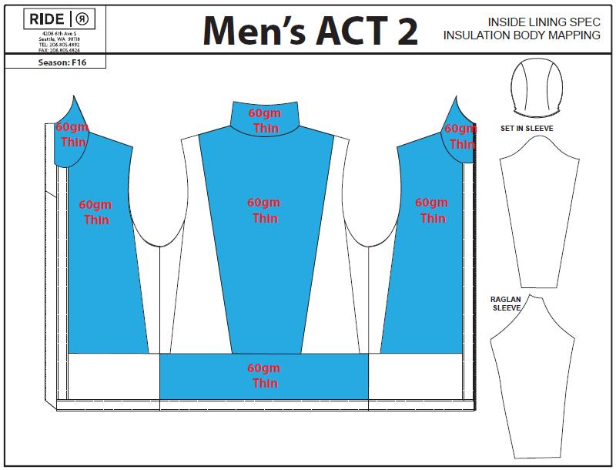
LINING |  |  |  | Proto | YIELD | UOM
Article Number/Description |  | Placement
210T Nylon Coated Plain Taffeta |  | Powder skirt, Hand gaitor |  | Burgundy |  | YD
210T Nylon UN-Coated Plain Taffeta |  | Pocket bags, Sleeve, Inner body between #DH3502, Hood lining |  | Burgundy |  | YD
#DH3502 |  | Quilted panel |  | Light Grey Melange |  | YD
#C062 TRICOT |  | Inner collar, Chin guard, Hand pocket bags |  | Black |  | YD
#A-012 Mesh |  | Pit vents, Mesh pocket |  | Black |  | YD
#JIK-1186 Lycra |  | Inner hand gaiters, zip-to-pant section |  | Burgundy |  | YD
UTF 60g |  | Main body |  | White |  | YD
UTF 100g |  | Inner lining quilted panel |  | White |  | YD
#ST104 Bemis 20mm seam tape |  | Fully seam sealed |  | Clear |  | YD

ZIPPERS |  |  |  | Proto | QTY | UOM
Article Number/Description |  | Placement | Length
YKK #5 Vislon zipper 2 way open-end, Swivel Slider#DA8LH1 + DAG8 2-way slider |  | CF Zipper | 32" (for size Large) |  | 1 | PC
YKK #5 METALUX zipper. Slider #DA8LH1 Swivel |  | Chest Pocket | 6 1/2" |  | 1 | PC
YKK #5 regular facing coil zipper. Slider #DA8LH1 Swivel |  | Hand Pocket (upper entry) | 6 1/2" |  | 2 | PC
YKK #5 regular facing coil zipper. Slider #DA8LH1 Swivel |  | Hand Pocket (side entry) | 7 1/2" |  | 2 | PC
YKK #5 regular facing coil zipper. Slider #DA8LH1 Swivel |  | Vents | 14" |  | 2 | PC
YKK #3 regular facing coil zipper. Slider #DALH |  | Sleeve Pass Pocket | 5" |  | 1 | PC
YKK #3 regular facing coil zipper. Slider #DALH |  | Media Pocket | 7" |  | 1 | PC
YKK #5 regular facing coil zipper. Slider #DA8LH1 Swivel (ONE SIDE ONLY) |  | zip-to-pant (slider stay on jkt side, 1/2 zipper on jacket) | 27" |  | 1 | PC

TRIMS |  |  |  | Proto | YIELD | UOM
Article Number/Description |  | Placement
"RIDE 20K" WOVEN LABEL |  | INSIDE NECK LABELING |  | BLACK | 1 | PC
#RL-007-BLK SIZE LABEL |  | ADULT WOVEN SIZE LABEL. SEE LABELING SPEC |  | BLACK | 1 | PC
#RL-021-BLK INNER MAIN WOVEN LABEL |  | INSIDE LABELING. SEE LABELING SPEC |  | BLACK | 1 | PC
#RT-005 INNER WOVEN LOOP |  | CB HANGER LOOP SEWN INTO NECK SEAM |  | BLACK | 1 | PC
#RT-006-NEW STRIP EDGE TAPING |  | ABOVE POWDER SKIRT |  | BLACK |  | YD
#COC-CC37.5-LOGO-WVN-GR-H 37.5 WOVEN LABEL- |  | RIGHT SIDE SEAM, UNDER LIFT TICKET GROMMET |  | GRAY | 1 | PC
#RM-08 GROMMET FOR LIFT TICKET |  | RIGHT SIDE SEAM, ABOVE 37.5 WOVEN LABEL |  | X6 BLACK OXIDES | 1 | PC
#A108-1 KEY CLIP |  | INSIDE RIGHT HAND POCKET |  | BLACK | 1 | PC
#RL-LTHR-001 "RIDE" DEBOSS LEATHER PATCH |  | WR RIGHT HAND POCKET FLAP |  | TAN | 1 | PC
#RL-PIN LEATHER PATCH W/ METAL LOGO |  | WR LEFT SLEEVE |  | TAN LEATHER / METAL PIN | 1 | PC
#RT-LTHR-ZP LEATHER ZIPPER PULLER |  | CF ZIPPER PULLER |  | TAN | 1 | PC
8MM LOGO RIVET |  | CF ZIPPER PULLER |  | ANTIQUE BRASS | 1 | PC
"ZIPNRIP" SCREEN PRINT |  | ON POWER SKIRT |  | WHITE | 1 | PC
#RT-003 SILICONE ZIPPER PULLER |  | CHEST POCKET(1), HAND POCKET(4), VENT(2), PASS POCKET(1), MEDIA POCKET(1), ZIP TO PANT(1) |  | BLACK | 10 | PC
#S080 CORDLOCK |  | BACK HOOD ADJUSTMENT |  | BLACK | 1 | PC
#ZM057 CORDURA GRIP TAB |  | BACK HOOD ADJUSTMENT |  | BLACK | 1 | PC
#S301 CORDLOCK |  | FRONT HOOD(2), BOTTOM HEM(2) |  | BLACK | 4 | PC
#0350219 SMALL CORD TIP |  | HOOD(2), CORD END CAP INSIDE HAND POCKET(2) |  | BLACK | 4 | PC
#P221 PLATIC BEAD |  | FRONT HOOD |  | BLACK | 2 | PC
1/4" HERRINGBONE WEBBING |  | FRONT/BACK HOOD & HEM- LEASH FOR CORDLOCK |  | BLACK |  | YD
3MM ELASTIC BUNGEE CORD |  | HOOD & HEM |  | BLACK |  | YD
#1414 14MM PLASTIC STOCK SNAP (SET) |  | POWDER SKIRT |  | BLACK | 4 | SET
#1414 14MM PLASTIC STOCK SNAP (MALE PART) |  | POWDER SKIRT 2ND ROW FOR ADJUSTMENT |  | BLACK | 2 | PC
#9375 YKK 28L MIXED METAL SNAP |  | STORM FLAP(2 set+2 cap), HAND POCKET FLAP(4 set) |  | #2034 BSX/CHIC BLACK | 8 | PC
15MM YKK 24L METAL SNAP |  | CUFF ADJUSTMENT |  | X6 BLACK OXIDES | 2 | PC
STOCK GRIPPER |  | POWDER SKIRT |  | BLACK |  | YD
12MM NON-LOGO GROMMET |  | BACK HOOD DRAWCORD EXIT |  | ANTIQUE BRASS | 1 | PC
10MM NON-LOGO GROMMET |  | FRONT HOOD DRAWCORD EXIT(4), BOTTOM HEM DRAWCORD EXIT(6) |  | ANTIQUE BRASS | 10 | PC
20MM ELASTINE BINDING |  | MEDIA POCKET CORD OUTLET, INNER MESH POCKET |  | BLACK |  | YD
10MM TAPE |  | ZIP TO PANT ZIPPER TAPE BACK SIDE CLEAN FINISH BINDING |  | BLACK |  | YD
VELCRO 3" L x 1/2" W HOOK & LOOP |  | STORM FLAP(4) |  |  |  | YD
VELCRO 4” L x 3/4” W LOOP |  | CUFF ADJUSTMENT |  |  |  | YD
VELCRO 2" L x 3/4" W HOOK |  | CUFF ADJUSTMENT |  |  |  | YD

PACKAGING |  |  |  |  | QTY | UOM
Article Number/Description |  | Placement
Main Ride hang tag |  | Front left pocket with UPC sticker |  |  | 1 | PCS
Poly Bag |  | 1 garment per bag with Ride logo, UPC sticker on outside of bag |  |  | 1 | PCS
Content Label |  | Under powder skirt |  |  | 1 | PCS
Wash Label |  | Under powder skirt |  |  | 1 | PCS
Poly Label |  | Under powder skirt |  |  | 1 | PCS

